Disclaimer
 |  |  | Capacity Investment Scheme South Australia and Victoria
 | 1 | Disclaimer

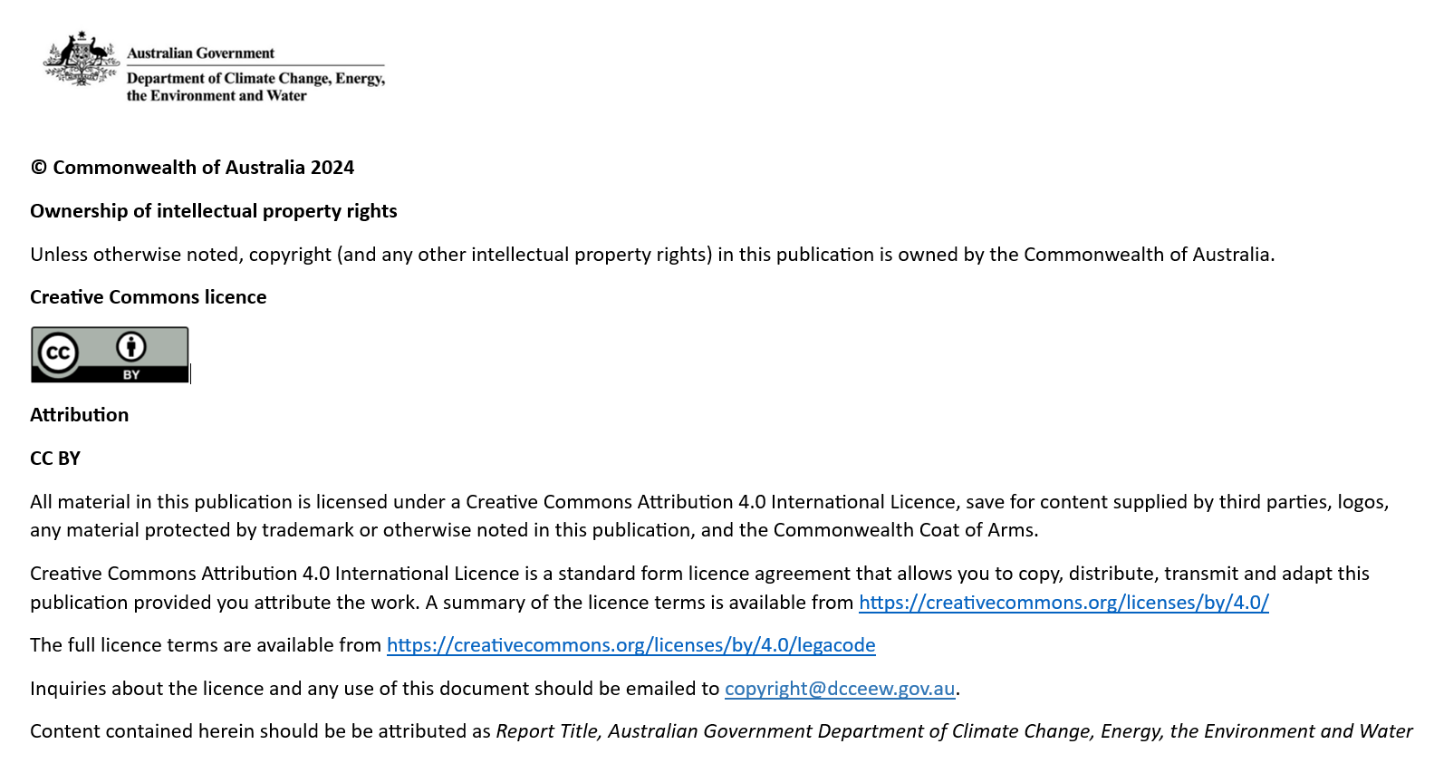

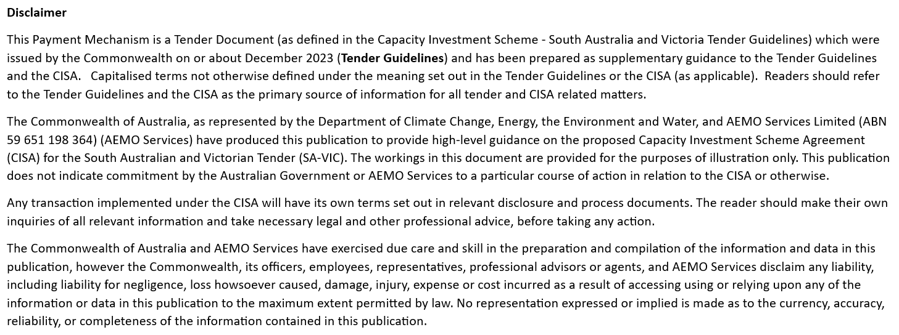

End of sheet

Instructions
 |  |  | Capacity Investment Scheme South Australia and Victoria
 | 2 | Instructions

 |  | Welcome
 |  |  | This Payment Calculator is provided to Proponents in the Capacity Investment Scheme South Australia-Victoria Tender. The Payment Calculator is designed to assist Proponents to understand the Payment Mechanism and the interactions of bid variables.

 |  | 2.1 | Model Diagram

Inputs | Outputs
Calculations

Key Project Input/Assumption and summary of outputs / underwriting payment mechanism
Calculation of Payment Mechanism

 |  | 2.2 | Key to Model Colour Scheme

 |  | ► | 100 | Non-adjustable hard-coded inputs per Capacity Investment Scheme Agreement
 |  | ► | 100 | Manual inputs that can be adjusted by the user
 |  | ► |  | Cells surrounded by formula or inputs that have been deliberately left blank and where no assumptions should be added
 |  | ► | 100 | Calculation cells

 |  | 2.3 | General Guide to the Calculator

 |  | 2.3.1 | General Points
 |  | ► | All figures within the calculators are in Nominal Australian dollars (AUD) unless otherwise stated.
 |  | ► | Any item missing notation reference in column G (in the 'Input | Outputs' and 'Calculations' tabs) does not directly reference back to the CISA's exact wording but rather adopts a naming convention with terms interpreted for improved usability.

 |  | 2.3.2 | Notation Subscript Symbols
 |  | ► | SY | Figures in respect of a Support Year
 |  | ► | q | Figures in respect of a each Quarter of a Support Year

 |  | 2.3.3 | Checks
 |  | ► | The status of the checks in the model is displayed at the top of the worksheets. Ideally, the model should always say "All key fields complete".
 |  |  | If not, you should scroll through the sheet to identify which parts of the calculation is causing the error marked as red cross (x).

End of sheet

Input | Outputs
Back |  |  | Capacity Investment Scheme South Australia and Victoria
 | 3 | Input | Outputs

 |  |  | All key input fields complete
 |  |  | >>Guide: All manual inputs (yellow cells) need to have entered a value (0 for nil input) in the relevant fields

 |  | 3.1 | Inputs / Assumptions | CISA Reference | Unit | Notation | Static Value | Q1 | Q2 | Q3 | Q4

 |  |  | Annual Revenue Floor | sch 1 (Item 18) | $ p.a. | NSY | 10,000,000
 |  |  | Annual Revenue Ceiling | sch 1 (Item 19) | $ p.a. | KSY | 20,000,000
 |  |  | Annual Payment Cap | sch 1 (Item 20) | $ p.a. | HSY | 2,000,000

 |  |  | Net Operational Revenue per Quarter | sch 4.11 | $ p.q. |  |  | 2,000,000 | 1,500,000 | 14,000,000 | 3,000,000

 |  |  | Equivalent Availability Factor of the facility | sch 4.4.3 | # | EAFSY | 0.85

 |  |  | Storage Capacity | sch 1 (Item 4) | MWh p.a. | SCSY | 200
 |  |  | Tested Storage Capacity | sch 4.5.4 | MWh p.a. | TSCSY | 160

 |  |  | Minimum State of Charge | sch 1 (Item 22) | MWh | MSOC | 20
 |  |  | Maximum Capacity | sch 1 (Item 2) | MW |  | 100
 |  |  | Contracted Percentage | sch 1 (Item 6) | % | CP | 100.0%

 |  | 3.2 | Charts

Payment by Quarter
 |  |  | origin
Bq1 - payment in Quarter 1 | 450,000 | 0.5 | 0
Bq2 - payment in Quarter 2 | 500,000 | 5.5 | 0
Bq3 - payment in Quarter 3 | -500,000
Q4 - Annual Reconciliation Payment | -700,000
Net Annual Payment | -250,000
Adjusted Net Operational Revenue (Cumulative), Revenue Floor, and Revenue Ceiling for the Support Year
 | Annual Revenue Floor | Annual Revenue Ceiling | Cumulative Adjusted Operational Revenue
Quarter 1 | 10,000,000 | 20,000,000 | 2,000,000
Quarter 2 | 10,000,000 | 20,000,000 | 3,500,000
Quarter 3 | 10,000,000 | 20,000,000 | 17,500,000
Quarter 4 | 10,000,000 | 20,000,000 | 20,500,000
Annual Reconciliation Payment
 |  |  | origin
Aggregate of Quarterly Payments (Q1-Q3) | 450,000 | 0.5 | 0
Annual Support Amount | - | 5.5 | 0
Aggregate Annual Rebate | -
Annual Revenue Sharing Amount | 250,000
Annual Reconciliation Payment | -700,000

 |  | 3.3 | Outputs | CISA Reference | Unit | Notation | Support Year |  | Formula

 |  |  | Aggregate of Quarterly Payments (Q1-Q3) | sch 4.6.1 | $ p.a. | ∑ Bq(x) | 450,000

 |  |  | Annual Support Amount | sch 4.9 | $ p.a. | CSY | - |  | CSY = Min((NSY - ISY) x J, HSY)
 |  |  | >>Note: A positive cash flow (receivable) for the Operator from the Commonwealth if the Adjusted NOR is less than Revenue Floor or otherwise zero. This amount will not exceed the Annual Support Amount.

 |  |  | Aggregate Annual Rebate | sch 4.8 | $ p.a. | ZSY | - |  | ZSY = ESY + GSY
 |  |  | >>Note: A positive cash flow (receivable) for the Commonwealth as it is the sum of rebates calculated as a product of the Annual Support Amount.

 |  |  | Annual Revenue Sharing Amount | sch 4.10 | $ p.a. | DSY | 250,000 |  | DSY = Min((ISY - KSY) x L, HSY)
 |  |  | >>Note: A positive cash flow (receivable) for the Commonwealth if the Adjusted NOR is greater than the Revenue Ceiling or otherwise zero. This amount will not exceed the Annual Support Amount.

 |  |  | Net Annual Payment | sch 4.7 | $ p.a. | BSY | -250,000 |  | BSY = CSY - DSY - ZSY
 |  |  | >>Note: A positive cash flow (receivable) for the Operator from the Commonwealth if the Annual Support Amount is greater than the sum of Annual Rebates and Annual Revenue Sharing Amount.

 |  |  | Annual Reconciliation Payment | sch 4.6.1 | $ p.a. | ASY | -700,000 |  | ASY = BSY - ∑ Bq
 |  |  | >>Note: A positive cash flow (receivable) for the Operator from the Commonwealth if the Net Annual Payment is greater than the aggregate of Quarterly Payments.

End of sheet

