Disclaimer
 |  |  | Capacity Investment Scheme NEM Generation - Draft
 | 1 | Disclaimer

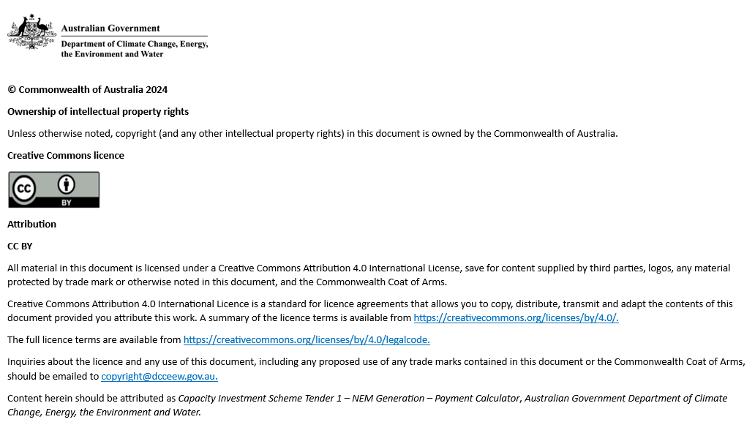

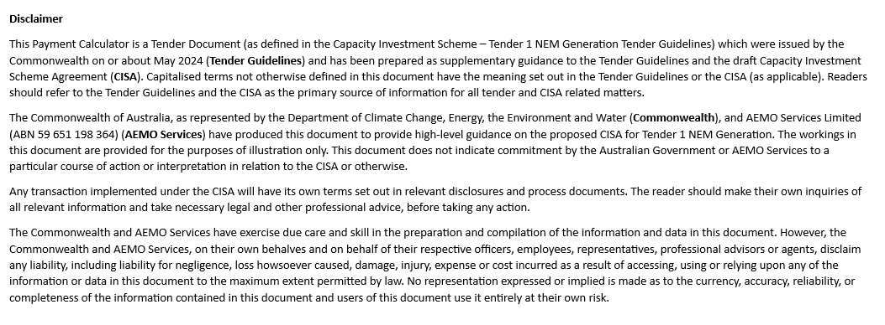

End of sheet

Instructions
 |  |  | Capacity Investment Scheme NEM Generation - Draft
 | 2 | Instructions

 |  | Welcome
 |  |  | This Payment Calculator is provided to Proponents in the Capacity Investment Scheme Tender 1 - NEM Generation. The Payment Calculator is designed to assist Proponents to understand the Payment Mechanism and the interactions of bid variables.

 |  | 2.1 | Model Diagram

Inputs | Outputs
Calculations

Key Project Input/Assumption and summary of outputs / underwriting payment mechanism
Calculation of Payment Mechanism

 |  | 2.2 | Key to Model Colour Scheme

 |  | ► | 100 | Non-adjustable hard-coded inputs per Capacity Investment Scheme Agreement
 |  | ► | 100 | Manual inputs that can be adjusted by the user
 |  | ► |  | Cells surrounded by formula or inputs that have been deliberately left blank and where no assumptions should be added
 |  | ► | 100 | Calculation cells

 |  | 2.3 | General Guide to the Calculator

 |  | 2.3.1 | General Points
 |  | ► | All figures within the Payment Calculator are in Nominal Australian dollars (AUD) unless otherwise stated.
 |  | ► | Any item missing notation reference in column G (in the 'Input | Outputs' and 'Calculations' tabs) does not directly reference back to the CISA's exact wording but rather adopts a naming convention with terms interpreted for improved usability.

 |  | 2.3.2 | Notation Subscript Symbols
 |  | ► | FY | Figures in respect of a Financial Year
 |  | ► | q | Figures in respect of a each Quarter of a Support Year

 |  | 2.3.3 | Checks
 |  | ► | The status of the checks in the model is displayed at the top of the worksheets. Ideally, the model should always say "All key fields complete".
 |  |  | If not, you should scroll through the sheet to identify which parts of the calculation is causing the error marked as red cross (x).

End of sheet

Input | Outputs
Back |  |  | Capacity Investment Scheme NEM Generation - Draft
 | 3 | Input | Outputs

 |  |  | All key input fields complete
 |  |  | >>Guide: All manual inputs (yellow cells) need to have entered a value (0 for nil input) in the relevant fields

 |  | 3.1 | Inputs / Assumptions | CISA Reference | Unit | Notation | Static Value | Q1 | Q2 | Q3 | Q4

 |  |  | Annual Floor | Reference Details (Item 15) | $/MWh | AFFY | 40
 |  |  | Annual Ceiling | Reference Details (Item 16) | $/MWh | ACFY | 80
 |  |  | Annual Payment Cap | Reference Details (Item 18) | $ p.a. | ZFY | 4,000,000

 |  |  | Quarterly Net Operational Revenue(s) | sch 1 (Item 3.3) | $ p.q. | QNORQ |  | 1,500,000 | 1,000,000 | 6,000,000 | 4,000,000

 |  |  | Notional Quantity | sch 1 (Item 3.9) | MWh | ΣNQTIQ |  | 60,000 | 50,000 | 60,000 | 100,000
 |  |  | Average revenue per MWh of Notional Quantity |  | $/MWh |  |  | 25.00 | 20.00 | 100.00 | 40.00

 |  | 3.2 | Outputs | CISA Reference | Unit | Notation | Support Year

 |  |  | Annual Adjustment Amount

 |  |  | Sum of Quarterly Payment Amounts payable by the Commonwealth | sch 1 (Item 4.2 (a) & 4.6) | $ ∑Q1-Q3 | ∑CQPAFY | 1,710,000
 |  |  | >>Note: A positive cash flow for this calculation is a receivable for the Project Operator from the Commonwealth. A negative cash flow is a payable from the Project Operator to the Commonwealth.
 |  |  | Sum of Quarterly Payment Amounts payable by the Project Operator | sch 1 (Item 4.2 (b) & 4.6) | $ ∑Q1-Q3 | ∑OQPAFY | 600,000
 |  |  | >>Note: A positive cash flow for this calculation is a payable for the Project Operator to the Commonwealth. A negative cash flow is a receivable to the Project Operator from the Commonwealth.
 |  |  | Annual Adjustment Amount | sch 1 (Item 4.2) | $p.q. Q4 | AAAFY | -1,110,000
 |  |  | >>Note: A positive cash flow for this calculation is a receivable for the Project Operator from the Commonwealth. A negative cash flow is a payable from the Project Operator to the Commonwealth.
 |  |  | Net annual payments |  | $ p.a. |  | -
 |  |  | >>Note: A positive cash flow for this calculation is a receivable for the Project Operator from the Commonwealth. A negative cash flow is a payable from the Project Operator to the Commonwealth.

 |  | 3.3 | Chart Visualisation | Dashboard

Net Operational Revenue compared with Revenue Floor and Revenue Ceiling, on Quarterly basis
 | Quarterly Net Operational Revenue | Quarterly Revenue Floor | Quarterly Revenue Ceiling
Quarter 1 | 1,500,000 | 2,400,000 | 4,800,000
Quarter 2 | 1,000,000 | 2,000,000 | 4,000,000
Quarter 3 | 6,000,000 | 2,400,000 | 4,800,000
Quarter 4 | 4,000,000 | 4,000,000 | 8,000,000
Payment by Quarter and net annual payment (positive values are payable to Project Operator)
 |  |  | origin
Quarter 1 | 810,000 | 0.5 | 0
Quarter 2 | 900,000 | 5.5 | 0
Quarter 3 | -600,000
Annual Adjustment Amount | -1,110,000
Net annual payments | -

Net Operational Revenue compared with Revenue Floor and Revenue Ceiling, on Annual basis
 | Annual Net Operational Revenue | Net annual payments | Annual Revenue Floor | Annual Revenue Ceiling
Annual amounts | 12,500,000 | - | 10,800,000 | 21,600,000
Annual Adjustment Amounts (positive values are payable to Project Operator)
Sum of Quarterly Payment Amounts payable by the Commonwealth | 1,710,000 | 0.5 | 0
Sum of Quarterly Payment Amounts payable by the Project Operator | -600,000 | 5.5 | 0
Annual Adjustment Amount | -1,110,000
Net annual payments | -

End of sheet

